Root
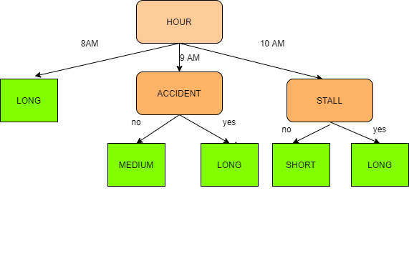
Long | 7 |  | DECISION TREE
Medium | 2
Short | 4
 | 13

Parent GINI |  | 0.5917159763

